Site Report
 |  |  |  |  |  |  |  |  |  |  |  | 2026-09-09
Plant Operation | Running hrs | Maintenance | Powercut | Boulder Jam | Lunch&Blasting | Dinner | No Feed | Breakdown | Chute Jam | others |  | Total
Metso Plant - FTD | 7.2 | 2.5 | 1.5 | 0.5 | 1.5 | 1 | 4.3 |  |  | 5.5 |  | 24
Metso Plant - MTD | 64.1 | 23 | 19.9 | 6.4 | 10.5 | 8 | 43.4 | 1.3 | 1 | 38.4 |  | 216
TPH | 169 | L&T Classifier : |  | 0.0
 | FTD | MTD | Targets | Expected Closing |  | No. of Working Days: |  |  | 8 | No. of Non-Working Days: |  |  | 1
Boulders Dispatch Qty. | 1144 | 11421 |  |  |  | Remarks
Sale Volume (Dispatch) |  | 8139 |  |  |  | • Dispatch less due to dispatch movement road via Martur is currently under construction for CC road and Agraharam road is completely closed & customer low Requirement .
Plant Production | 1234 | 11473
Mine Production |  | 7084
Collection (in Lakhs) | 0.6 | 26.7
Total Revenue (in Lakhs) |  | 47.6
Basic Sale Revenue (in Lakhs) |  | 28.1
Diesel Stock | Opening | Purchase | Issued Qty | Closing Bal

Mine Operations
Compressors |  | 27
Holes |  | 1658
Feetage |  | 8856 |  |  |  |  |  |  |  |  |  |  |  |  |  |  |  |  |  |  | 11

Machinery Report
Equipment | Quarry to Crusher Trips |  |  |  |  |  |  | Stock to Crusher Trips |  |  |  | OB Trips
 | FTD Day Trips | FTD Night Trips | FTD Trips | MTD Day Trips | MTD Night Trips | MTD Trips | MTD Tonnage | FTD Trips | FTD Tons | MTD Trips | MTD Tons | FTD | MTD |  | 28978
Tippers
AP39UQ0095 | 2 | 6 | 8 | 21 | 34 | 55 | 1258 |  |  |  |  | 1 | 13 | 1372 | 114.4
AP39UQ0097 | 1 | 3 | 4 | 12 | 15 | 27 | 621 |  | ` |  |  | 1 | 8 | ` | ` | ` | ` | ` | ` | ` | ` | ` | ` | ` | ` | ` | ` | ` | ` | ` | ` | ` | ` | ` | ` | ` | ` | ` | ` | ` | ` | ` | ` | ` | ` | ` | ` | ` | ` | ` | ` | ` | ` | ` | ` | ` | ` | ` | ` | ` | ` | ` | ` | ` | ` | ` | ` | ` | ` | ` | ` | ` | ` | ` | ` | ` | ` | ` | `
AP39UW9880 |  | 1 | 1 | 0 | 1 | 1 | 24 |  |  |  |  |  |  | 118 | 93.9
AP39UW9881 | 1 | 6 | 7 | 14 | 32 | 46 | 1074 |  |  |  |  | 1 | 10 | 1210 | 136.1 |  |  |  |  |  | FTD Day Trips | FTD Night Trips
AP39UY4651 |  |  | 0 | 9 | 0 | 9 | 200 |  |  |  |  |  | 2 | 200 | 0 |  |  |  |  | AP39UQ0095 | 2 | 6
AP39UY4652 |  |  | 0 | 4 | 16 | 20 | 475 |  |  |  |  |  | 3 | 569 | 93.5 |  |  |  |  | AP39UQ0097 | 1 | 3
AP39WC0926 | 1 | 6 | 7 | 17 | 45 | 62 | 1489 | 2 | 57 | 7 | 203 |  | 7 | 1560 | 71 |  |  |  |  | AP39UW9880 | 0 | 1
AP39WC0927 |  |  | 0 | 12 | 31 | 43 | 1024 |  |  |  |  |  | 12 | 1145 | 120.9 |  |  |  |  | AP39UW9881 | 1 | 6
AP39WC0928 | 1 | 6 | 7 | 12 | 30 | 42 | 1022 |  |  |  |  |  | 1 | 1117 | 94.6 |  |  |  |  | AP39UY4651 | 0 | 0
AP39WF2052 | 1 | 6 | 7 | 13 | 42 | 55 | 1316 |  |  |  |  | 1 | 8 | 1316 | 0 |  |  |  |  | AP39UY4652 | 0 | 0
AP39WF2057 |  |  | 0 | 19 | 42 | 61 | 1469 |  |  |  |  |  | 10 | 1563 | 94 |  |  |  |  | AP39WC0926 | 1 | 6
AP39WF2058 | 1 | 7 | 8 | 15 | 45 | 60 | 1451 | 2 | 54 | 2 | 54 |  | 3 | 1577 | 126.8 |  |  |  |  | AP39WC0927 | 0 | 0
Total | 8 | 41 | 49 | 148 | 333 | 481 | 11421 | 4 | 111 | 9 | 257 | 4 | 77 | 11421 |  |  |  |  |  | AP39WC0928 | 1 | 6
Loaders | Starting Reading | Closing Reading |  | Machinery Breakdown & Major Spare Replacment |  |  |  |  |  |  |  |  |  | 0 |  |  |  |  |  | AP39WF2052 | 1 | 6
Loader-1 | 12434.4 | 12435.9 | 1.5 | Loader 2 B/D |  |  |  |  |  |  |  |  |  | 0 |  |  |  |  |  | AP39WF2057 | 0 | 0
Loader-2 | 11459.3 | 11459.3 | 0 |  |  |  |  |  |  |  |  |  |  | #VALUE! | . |  |  |  |  | AP39WF2058 | 1 | 7
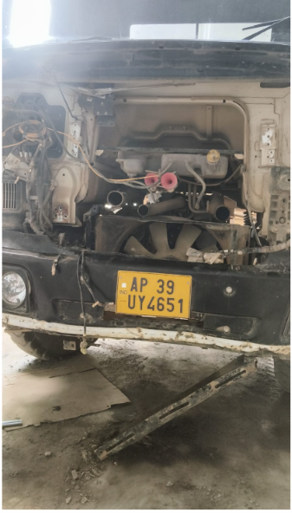
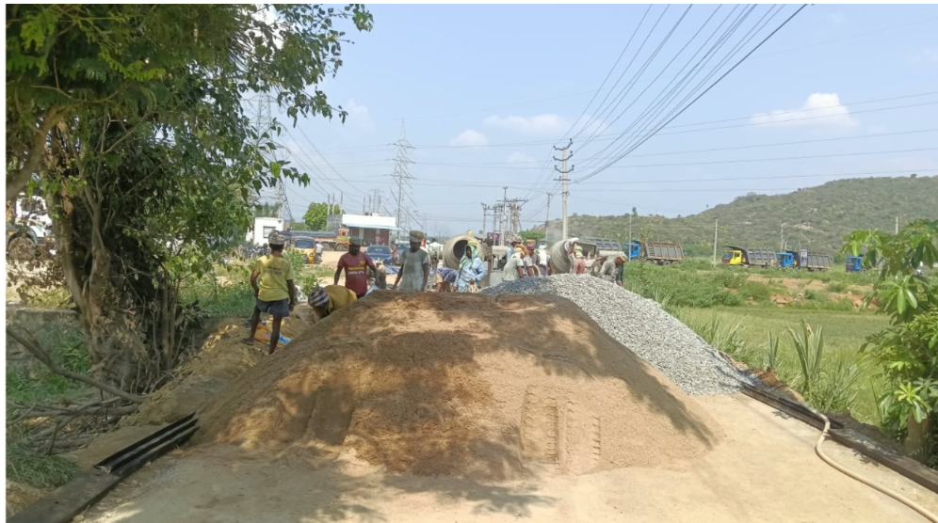
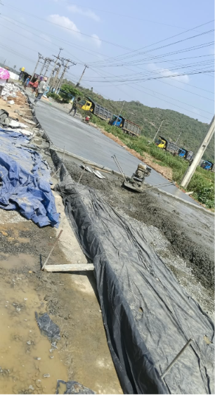
Excavators |  |  |  |  |  |  |  |  |  |  |  |  |  | #VALUE! | . |  |  |  |  | Total | 8 | 41
VOLVO-1 | 8681.4 | 8689.7 | 8.3 |  |  |  |  |  |  |  |  |  |  | #VALUE! | .
VOLVO-2 | 8013.8 | 8024.5 | 10.7 |  |  |  |  |  |  |  |  |  |  | #VALUE! | .
Rental Machinery |  |  |  |  |  |  |  |  |  |  |  |  |  | #VALUE! | .
VOLVO-1 Quarry | 12326.3 | 12339 | 12.7 |  |  |  |  |  |  |  |  |  |  | #VALUE! | .
VOLVO-2 Quarry | 9238.2 | 9238.2 | 0 |  |  |  |  |  |  |  |  |  |  | #VALUE! | .
JCB Plant Rental | 3368.9 | 3378 | 9.1 |  |  |  |  |  |  |  |  |  |  | #VALUE! | .
Hyundai 1 Quarry | 8596.6 | 8596.6 | 0 |  |  |  |  |  |  |  |  |  |  | #VALUE! | .
Hyundai 2 Quarry | 1792.7 | 1792.7 | 0 |  |  |  |  |  |  |  |  |  |  | 0

Production : | 0-20MM ,GSB |  |  | TPH |  | 2026-09-09 |  |  |  |  |  |  |  | 126
Metso Hrs : | 7.2 |  | GSB Hrs: |  |  |  |  |  |  |  |  |  |  | 186075
Classifier Hrs: | 0.0 |  | Agg Hrs : | 7.2

Product | Opening Stock | Dispatch Qnty | Production | % of Product | As per Weighment Production | Metso Production | Closing Stock |  |  |  |  |  |  | -5
10MM | 200 |  | 213 | 18% | 1234 | 1219 | 400 |  |  |  |  |  |  | 400 | 413
20MM | 320 |  | 280 | 23% |  |  | 600 |  |  |  |  |  |  | 500 | 600 |  |  |  |  |  | 1218.60 |  |  | 2400.00
40MM | 0 |  | 0 | 0% |  |  | 0 |  |  |  |  |  |  |  | 0 |  |  |  |  | 10 | 173.04 |  | 10 | 456.00
50MM | 350 |  | 0 | 0% |  |  | 350 |  |  |  |  |  |  | 300 | 350 |  |  |  |  | 20 | 281.50 |  | 20 | 648.00
RIVO SAND | 91350 |  | 0 | 0% |  |  | 91350 |  |  |  |  |  |  |  | 91350 |  |  |  |  | DUST | 48.74 |  | DUST | 96.00
VSI SAND | 31800 |  | 548 | 45% |  |  | 32350 |  |  |  |  |  |  |  | 32348 |  |  |  |  | M SAND | 366.80 |  | M SAND | 1056.00
GSB | 1000 |  | 183 | 15% |  |  | 1200 |  |  |  |  |  |  | 700 | 1183 | 50 |  |  |  | 40 | 325.37 |  | Slurry | 144.00
Slurry | 59830 |  | 0 | 0% |  |  | 59830 |  |  |  |  |  |  |  | 59830 |  |  |  |  | Slurry | 23.15
Scalpin |  |  | 15 | 1%
Total | 184850 | 0 | 1225 | 101% |  |  | 186080 |  |  |  |  |  |  |  |  | 75
 |  |  |  |  |  |  |  |  |  |  |  |  |  |  | 665 |  |  |  | Plant Operating Costing
 |  |  | 2374.26 |  |  |  |  | 1097 |  |  |  |  |  |  |  |  |  |  | Type | Target | FTD | MTD |  |  |  |  |  | 336
 |  | 980 |  |  |  | 15 |  |  |  |  |  |  |  |  | -980 |  |  |  | Plant Production | 75000 | 0 | 0
 |  |  |  | 877 |  |  |  |  |  |  |  |  | 1234 |  | 0 |  |  |  | Metso OMC Cos Per Ton | 36 | 37 | 37
 |  |  |  | 427 | 450
 |  |  | 10 | 81.13
 |  |  | 20 | 115.29
 |  |  | dust | 48.02
 |  |  | m sand | 145.18
 |  |  | slurry | 37.38

Office Dash
SGX - AGG Operation Report |  |  |  |  |  |  |  |  |  |  |  |  |  |  |  | Date : |  |  | 2026-09-18

 |  |  | FTD |  | MTD |  |  | Quarry Operation |  |  |  |  |  | Plant Operation |  |  |  |  |  | Dispatch & Sale
 | Boulders Dispatch Qty. |  | 187 |  | 16170.9 |  |  | Compressor |  |  |  | 886 |  | Plant Run |  |  | 1.1 |  | Hrs | Dispatch |  | 404 | Mt
 | Sale Volume (Dispatch) |  | 404 |  | 14727.7 |  |  | Holes |  |  |  | 0 |  | WeightBridge Production |  |  | 0 |  | Mt | Trips |  | 49
 | Plant Production |  | 187 |  | 16228.5 |  |  | feets |  |  |  | 0 |  | Remark ::
 | Mine Production |  | 708 |  | 9737 |  |  | Production |  |  |  | 708

 | Boulder Transport & Maintenance Daily Operation Dashboard
DAY - 31 , NIGHT - 44 , FTD - 75 , 1847.7 Mt , OB Trips - 12 , Stock -3
 | FTD Day Trips | FTD Night Trips
AP39UQ0095 | 2 | 4
AP39UQ0097 | 1 | 3
AP39UW9880 | 3 | 4
AP39UW9881 | 2 | 2
AP39UY4651 | 0 | 0
AP39UY4652 | 2 | 4
AP39WC0926 | 3 | 4
AP39WC0927 | 1 | 0
AP39WC0928 | 3 | 3
AP39WF2052 | 2 | 2
AP39WF2057 | 2 | 3
AP39WF2058 | 0 | 0
 | Equipment Running Status |  |  |  |  |  |  |  |  |  | Boulder Trips & Qty |  |  |  |  |  | OB & Stock Trips
 | Tipper | Loader | Excavator | Breaker |  | Rental |  |  |  |  | TRIPS |  |  | QTY |  |  | OB |  |  |  | Stock

 | 11 | 1 | 2 | 2 |  | Hyundai |  |  | 2 |  | FTD | 8 |  | FTD | 187 |  | FTD | 0 |  |  | FTD | 0

 |  |  |  |  |  |  |  |  |  |  | MTD | 0 |  | MTD | 16171 |  | MTD | 0 |  |  | MTD | 0
 |  |  |  |  |  | Govind |  |  | 1

 | Tipper | KMR |  |  | B/d Hrs | Working Hours & B/D hrs |  |  |  |  |  |  |  |  |  |  |  |  |  |  |  |  |  |  | FTD Day Trips | FTD Night Trips
 | AP39UQ0095 | 36 | 8.6 |  | 0 | Equipment |  |  | FTD |  | B/D Hrs |  |  |  |  |  |  |  |  |  |  |  |  | AP39UQ0095 | 0 | 0
 | AP39UQ0097 | 56 | 5.9 |  | 0 | EXCAVATOR-01 |  |  | 0 |  |  |  |  |  |  |  |  |  |  |  |  |  |  | AP39UQ0097 | 1 | 0
 | AP39UW9880 | 0 | 0 |  | 0 | EXCAVATOR-02 |  |  | 0 |  |  |  |  |  |  |  |  |  |  |  |  |  |  | AP39UW9880 | 0 | 0
 | AP39UW9881 | 94 | 13 |  | 0 | LOADER-01 |  |  | 0 |  |  |  |  |  |  |  |  |  |  |  |  |  |  | AP39UW9881 | 0 | 0
 | AP39UY4651 | 6 | 1 |  | 0 | LOADER-02 |  |  | 7.8 |  |  |  |  |  |  |  |  |  |  |  |  |  |  | AP39UY4651 | 2 | 0
 | AP39UY4652 | 0 | 0 |  | 0 | Diesel Issued |  |  |  |  |  |  |  |  |  |  |  |  |  |  |  |  |  | AP39UY4652 | 1 | 0
Stock 938.8 L
 | AP39WC0926 | 102 | 14 |  | 0 |  |  |  |  |  |  |  |  |  |  |  |  |  |  |  |  |  |  | AP39WC0926 | 1 | 0
 | AP39WC0927 | 92 | 10 |  | 0 | FTD | 430 |  |  | Ltrs |  |  |  |  |  |  |  |  |  |  |  |  |  | AP39WC0927 | 0 | 0
 | AP39WC0928 | 8 | 1 |  | 0 |  |  |  |  |  |  |  |  |  |  |  |  |  |  |  |  |  |  | AP39WC0928 | 0 | 0
 | AP39WF2052 | 81 | 10 |  | 0 |  |  |  |  |  |  |  |  |  |  |  |  |  |  |  |  |  |  | AP39WF2052 | 1 | 0
 | AP39WF2057 | 93 | 10 |  | 0 | MTD | 12542 |  |  | Ltrs |  |  |  |  |  |  |  |  |  |  |  |  |  | AP39WF2057 | 8 | 0
 | AP39WF2058 | 93 | 11 |  | 0 |  |  |  |  |  |  |  |  |  |  |  |  |  |  |  |  |  |  | AP39WF2058 | Starting Reading | Closing Reading
 | FTD | 661 |  |  | 0 | MAITENANCE ACTIVITY FOR THE DAY |  |  |  |  |  |  |  |  |  |  |  |  | Machinery Working Hours |  |  |  |  | Total | 14 | 0

 |  |  |  |  |  | Tipper-4652 |  | TYRE PUNTURE |  |  |  |  | 2057 Tipper |  | CROWN SWAPED FROM LOADERB 2 |  |  |  | Loading Hrs |  |  | 10
 | MTD | 1200 |  |  |  | Tipper-0927 |  | ENGINE BED REPLACED |  |  |  |  | 2058 Tipper |  | CROWN SWAPED FROM LOADERB 2 |  |  |  | Breaking Hrs |  |  | 10
 |  |  |  |  |  | Tipper-0927 |  | CROWN SWAPED FROM LOADERB 2 |  |  |  |  |  |  |  |  |  |  | Development Hrs |  |  | 6
 |  |  |  |  |  | Tipper-0928 |  | Teeth Change |  |  |  |  |  |  |  |  |  |  | Total |  |  | 26 | Hrs

